About
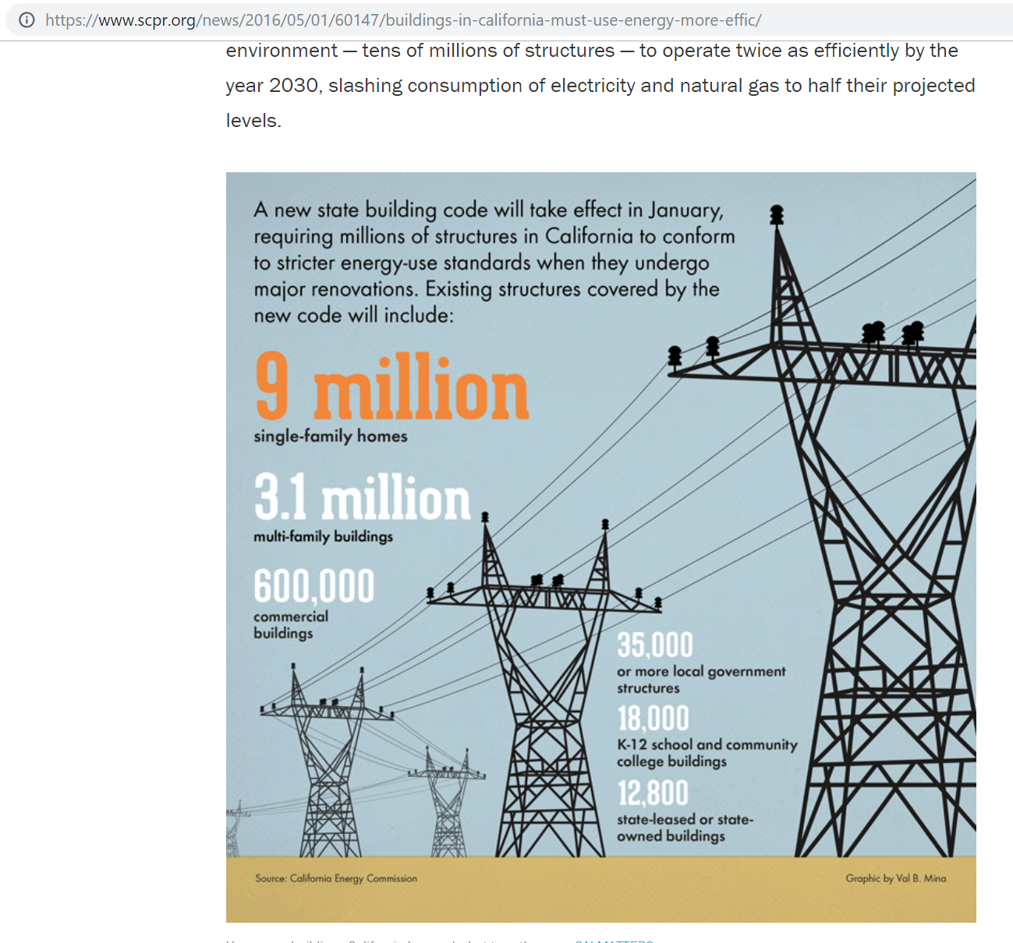
PEURfRC Perc Energy Use Reduction for Retrofit Components
OR EPS keeps the same assumption as CA

Sources: | Gigaton throwdown: Redefining What’s Possible for Clean Energy by 2020
 | Gigaton Throwdown Initiative
 | http://rael.berkeley.edu/old_drupal/sites/default/files/Kammen%202009-%20Gigaton%20Throwdown.pdf
 | July | 2009

 | Lawrence Berkeley National Laboratory
 | 2009
 | Building Commissioning: A Golden Opportunity for Reducing Energy Costs and Greenhouse Gas Emissions
 | http://cx.lbl.gov/documents/2009-assessment/lbnl-cx-cost-benefit.pdf
 | Page 22, Table 4

 | California Energy Commission
 | 2015
 | Existing Building Energy Efficiency Action Plan
 | http://www.energy.ca.gov/2015publications/CEC-400-2015-013/CEC-400-2015-013-D.pdf

 | Lee et al, LBNL Report No. 1004494
 | Accelerating the energy retrofit of commerical buildings
 | 2015
 | https://simulationresearch.lbl.gov/sites/all/files/tianzhen_hong_-_accelerating_the_energy_retrofit_of_commercial_buildings_using_a_database_of_energy_efficiency_performance.pdf

 | Amber Mahone et al, E3
 | Deep Decarbonization in a High Renewables Future
 | https://www.ethree.com/wp-content/uploads/2018/06/Deep_Decarbonization_in_a_High_Renewables_Future_CEC-500-2018-012-1.pdf

Notes

Notes on method
As the discussion below makes clear, there is significant cost effective potential,
but real challenges exist in realizing these, and even apart from inherent uncertainty
about future developments, current data on use and costs remains inadequate.

The 20% threshold issuggested as a lower mid-point level for potential.
The specific level interacts with other assumptions and inputs, such as the maximum feasible pace of
retrofits. CEC Existing Building Energy Efficiency Plans excerpt below indicates "more than 120,000"
nonresidential buildings are upgraded annually in some form.
As a fraction of about 700,000 nonresidential buildings in California (also per CEC)

Calibration also involves top-down consideration of potential estimated for two other policies specifically tailored for the California model:
(1) building codes and appliance standards and (2) the utility savings
Refer to the "Building Policy Calibration" file in the "buildings" input data folder for further discussion of
recommended parameterization, i.e. web guidance, and maximum levels.

Discussion

"A uniform 40% (or greater) improvement in energy efficiency in both new and existing buildings …
is obtainable using current technology," according to Gigaton throwdown.

Secondary source finds a 16% improvement in energy use in existing commerical buildings through
"commissioning" alone, which involves an energy efficiency audit and action recommendations, but
no additional incentives.

"Typical upgrade costs to improve home energy consumption by 20 percent range from $7,000 to $14,000."
http://www.energy.ca.gov/2017publications/CEC-500-2017-009/CEC-500-2017-009.pdf

Lee et al, in an LBNL study, find
Annual reductions in commercial upgrades estimated by LBNL
Four recommended measures produce 40 percent reduction in electricity use and 21 percent reduction in natural gas use

CEC existing building action plan indicates strong potential but also highlights data uncertainty

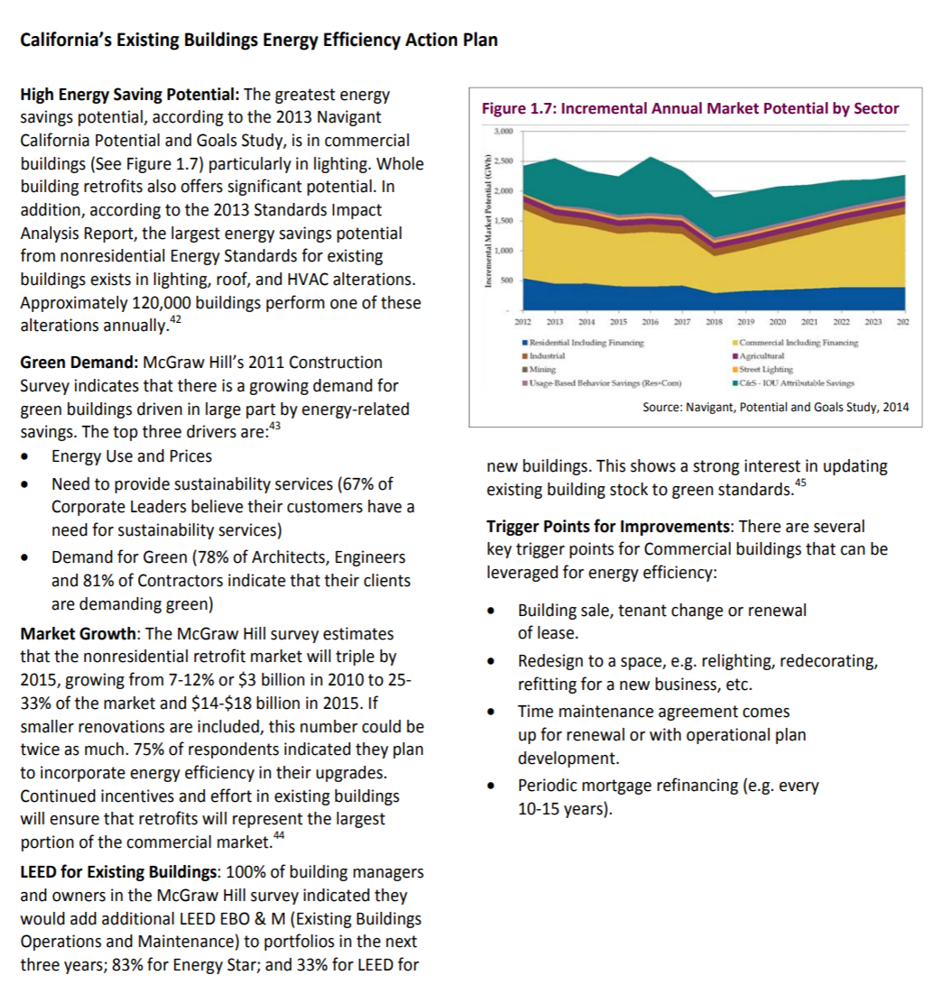

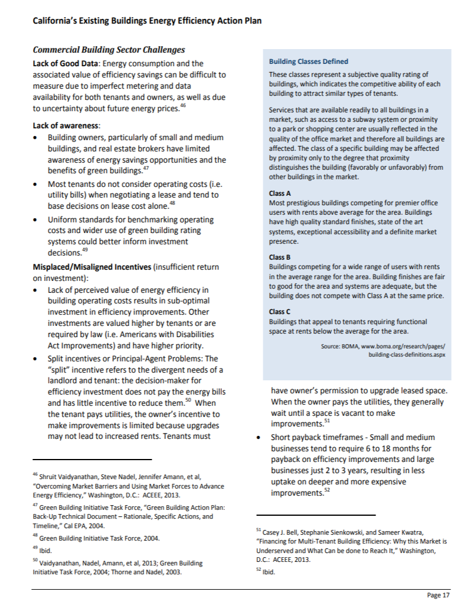

E3's paper highlights the apparent opportunity but also uncertainties around energy efficiency in existing buildings

